Mixer Filling
 | 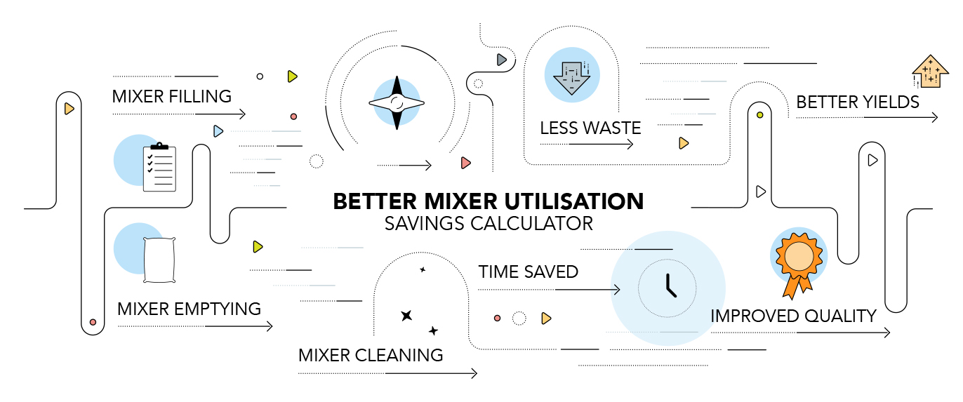
Eliminate (Reduce) Mixer Filling Time
 |  | # of Working Days per Year |  | # of Shifts per Day |  | # of Mix Batches per Shift |  | Avg Cycle Time to Fill a Mixer (in Hours) |  | TOTAL HOURS PER YEAR
Time a Mixer isn't being Utilized - Filling | Example | 250 | x | 1 | x | 8 | x | 0.33 | = | 667
 | Example | 350 | x | 3 | x | 8 | x | 0.33 | = | 2,772
 | Your Company | 250 | x | 1 | x | 8 | x | 0.33 | = | 667

 |  | Total Hours Per Year |  | Amount Produced Per Hour (Weight) |  | ADDITIONAL CAPACITY (WEIGHT) |  | Selling Price (Currency per Weight) |  | ADDITIONAL POTENTIAL REVENUE (CURRENCY)
What Can Be Done during that Addiitonal Time | Your Company | 667 | x | 500 | = | 333,333 | x | 10 | = | 3,333,333

